Bug report 1
Summary: | User can submit a "Text box" form using an invalid "Full name"
Description: | When user goes to the "https://demoqa.com/" website, and fills in all the fields in the "Text box" form and clicks on the "Submit" button ,the "Text box" form will be submited successfully. The problem is that the "Full name" field does not only accept letters, but also characters and numbers. This means that if user enters "1111****" in that field insted of valid full name, the "Text box" form will be successfully submited with an invalid full name.
Steps to reproduce: | Open Mozilla Firefox
 | Go to the following URL "https://demoqa.com/"
 | From the dropdown list "Elements" select the "Text box" field
 | Click on "Full name" field
 | Input invalid "Full Name" (Example: "1111****")
 | Click on "Email" field
 | Input valid "Email" (Example: "brajkovic.tina@gmail.com"
 | Click on "Current Address" field
 | Input valid "Current Address" (Example: "Vojvode Vuka 32.")
 | Click on "Permanent Address" field
 | Input valid "Permanent Address" (Example: Vojvode Vuka 32.)"
 | Click on "Submit" button
Expected result: | "Text box" form cannot be submitted successfully when user enters numbers and characters in field "Full name"
Actual result: | The "Text box" form was successfully submitted even though only numbers and characters were entered in the "Full name" field.
Priority: | Medium
Severity: | Low
Repro rate: | 10%
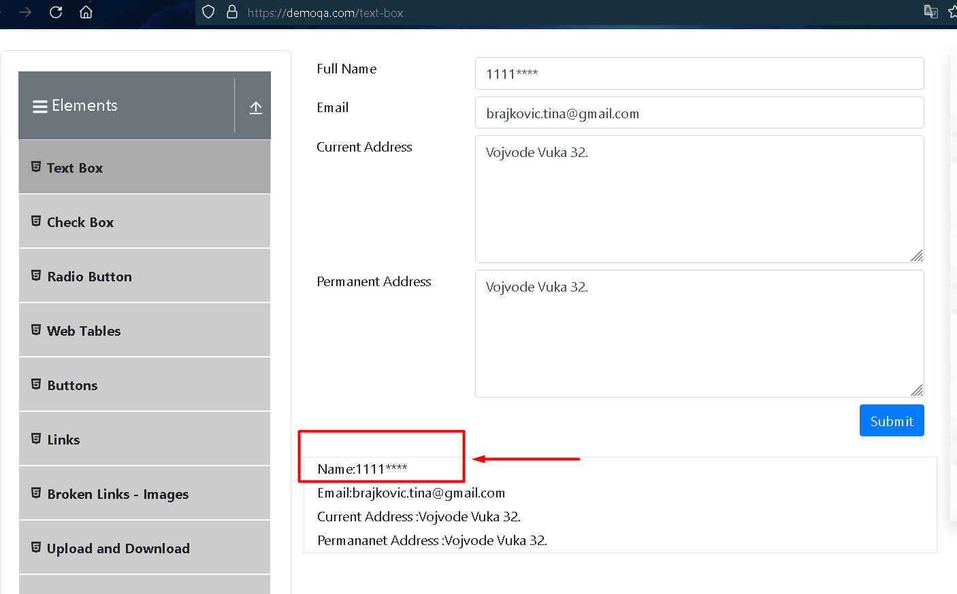
Screenshot:

